Summary
Summary of downtimes

Options
Simulation ID | Name as you like
Simulation Type | Set Start
Start Date | 2023-06-01
Work Shift | 24 Hours
Linked Simulation | filepath to previous simulation

Downtime Type | P0 | P10 | P20 | P30 | P40 | P50 | P60 | P70 | P80 | P90 | P100
Total duration [days] | 35.5 | 37 | 37 | 37 | 38 | 38 | 38 | 38.8 | 39 | 39 | 40
Shift downtime [days] | 0 | 0 | 0 | 0 | 0 | 0 | 0 | 0 | 0 | 0 | 0
Weather downtime & Stand by [days] | 0 | 1.5 | 1.5 | 1.5 | 2.5 | 2.5 | 2.5 | 3.3 | 3.5 | 3.5 | 4.5
End date | 2023-07-06 | 2023-07-07 | 2023-07-07 | 2023-07-08 | 2023-07-08 | 2023-07-08 | 2023-07-08 | 2023-07-09 | 2023-07-09 | 2023-07-09 | 2023-07-10

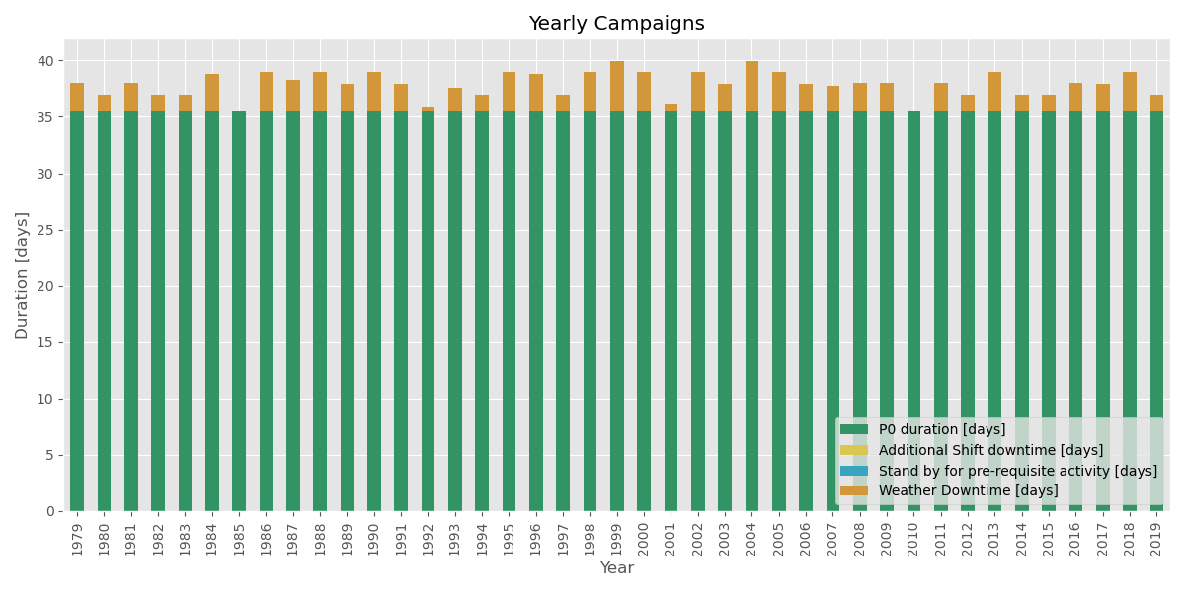
Year | P0 duration [days] | Total duration [days] | Additional shift downtime [days] | Stand by for pre-requisite activity [days] | Weather Downtime [days]
1979 | 36 | 38 | 0 | 0 | 2
1980 | 36 | 37 | 0 | 0 | 1
1981 | 36 | 38 | 0 | 0 | 2
1982 | 36 | 37 | 0 | 0 | 1
1983 | 36 | 37 | 0 | 0 | 1
1984 | 36 | 39 | 0 | 0 | 3
1985 | 36 | 36 | 0 | 0 | 0
1986 | 36 | 39 | 0 | 0 | 3
1987 | 36 | 38 | 0 | 0 | 3
1988 | 36 | 39 | 0 | 0 | 3
1989 | 36 | 38 | 0 | 0 | 2
1990 | 36 | 39 | 0 | 0 | 3
1991 | 36 | 38 | 0 | 0 | 2
1992 | 36 | 36 | 0 | 0 | 0
1993 | 36 | 38 | 0 | 0 | 2
1994 | 36 | 37 | 0 | 0 | 2
1995 | 36 | 39 | 0 | 0 | 3
1996 | 36 | 39 | 0 | 0 | 3
1997 | 36 | 37 | 0 | 0 | 2
1998 | 36 | 39 | 0 | 0 | 3
1999 | 36 | 40 | 0 | 0 | 4
2000 | 36 | 39 | 0 | 0 | 3
2001 | 36 | 36 | 0 | 0 | 1
2002 | 36 | 39 | 0 | 0 | 3
2003 | 36 | 38 | 0 | 0 | 2
2004 | 36 | 40 | 0 | 0 | 4
2005 | 36 | 39 | 0 | 0 | 3
2006 | 36 | 38 | 0 | 0 | 2
2007 | 36 | 38 | 0 | 0 | 2
2008 | 36 | 38 | 0 | 0 | 2
2009 | 36 | 38 | 0 | 0 | 2
2010 | 36 | 36 | 0 | 0 | 0
2011 | 36 | 38 | 0 | 0 | 2
2012 | 36 | 37 | 0 | 0 | 1
2013 | 36 | 39 | 0 | 0 | 3
2014 | 36 | 37 | 0 | 0 | 1
2015 | 36 | 37 | 0 | 0 | 1
2016 | 36 | 38 | 0 | 0 | 2
2017 | 36 | 38 | 0 | 0 | 2
2018 | 36 | 39 | 0 | 0 | 3
2019 | 36 | 37 | 0 | 0 | 1

Workability
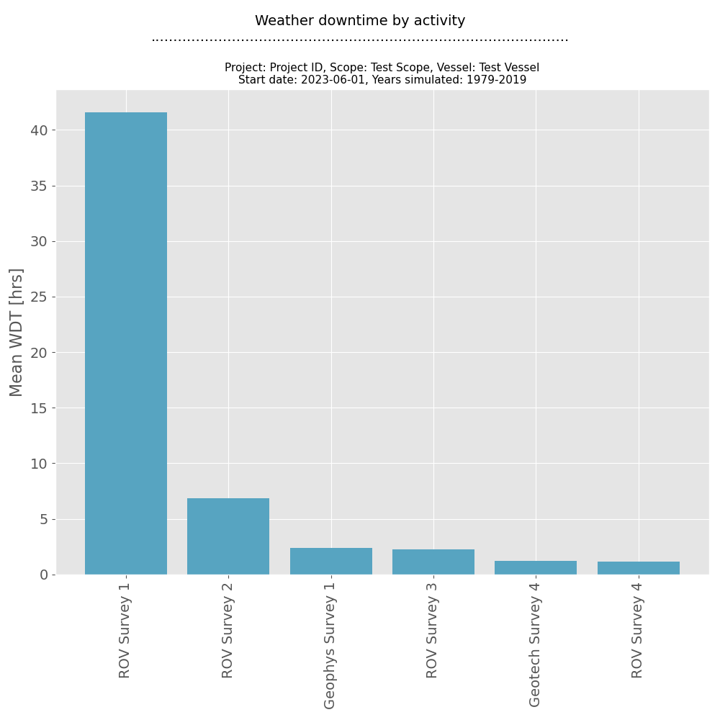
Workability of activities

Months | Geophys Survey 1 | Geophys Survey 2 | Geophys Survey 3 | Geophys Survey 4 | Geophys Survey 5 | Geotech Survey 1 | Geotech Survey 2 | Geotech Survey 3 | Geotech Survey 4 | Geotech Survey 5 | Benthic Survey 1 | Benthic Survey 2 | Benthic Survey 3 | Benthic Survey 4 | Benthic Survey 5 | ROV Survey 1 | ROV Survey 2 | ROV Survey 3 | ROV Survey 4 | ROV Survey 5
Jan | 87% | 97% | 99% | 87% | 97% | 87% | 97% | 99% | 87% | 97% | 87% | 97% | 99% | 87% | 97% | 40% | 40% | 40% | 67% | 69%
Feb | 94% | 98% | 100% | 94% | 98% | 94% | 98% | 100% | 94% | 98% | 94% | 98% | 100% | 94% | 98% | 55% | 55% | 55% | 81% | 81%
Mar | 96% | 99% | 100% | 96% | 99% | 96% | 99% | 100% | 96% | 99% | 96% | 99% | 100% | 96% | 99% | 67% | 67% | 67% | 86% | 87%
Apr | 97% | 99% | 100% | 97% | 99% | 97% | 99% | 100% | 97% | 99% | 97% | 99% | 100% | 97% | 99% | 77% | 77% | 77% | 88% | 88%
May | 98% | 99% | 100% | 98% | 99% | 98% | 99% | 100% | 98% | 99% | 98% | 99% | 100% | 98% | 99% | 82% | 82% | 82% | 89% | 90%
Jun | 97% | 99% | 100% | 97% | 99% | 97% | 99% | 100% | 97% | 99% | 97% | 99% | 100% | 97% | 99% | 83% | 83% | 83% | 90% | 91%
Jul | 97% | 99% | 100% | 97% | 99% | 97% | 99% | 100% | 97% | 99% | 97% | 99% | 100% | 97% | 99% | 82% | 82% | 82% | 90% | 90%
Aug | 97% | 99% | 100% | 97% | 99% | 97% | 99% | 100% | 97% | 99% | 97% | 99% | 100% | 97% | 99% | 80% | 80% | 80% | 90% | 90%
Sep | 97% | 99% | 100% | 97% | 99% | 97% | 99% | 100% | 97% | 99% | 97% | 99% | 100% | 97% | 99% | 79% | 79% | 79% | 88% | 89%
Oct | 97% | 99% | 100% | 97% | 99% | 97% | 99% | 100% | 97% | 99% | 97% | 99% | 100% | 97% | 99% | 57% | 57% | 57% | 71% | 72%
Nov | 91% | 98% | 100% | 91% | 98% | 91% | 98% | 100% | 91% | 98% | 91% | 98% | 100% | 91% | 98% | 48% | 48% | 48% | 69% | 70%
Dec | 83% | 94% | 99% | 83% | 94% | 83% | 94% | 99% | 83% | 94% | 83% | 94% | 99% | 83% | 94% | 35% | 35% | 35% | 61% | 63%

Cause of WDT
Weather parameters that caused WDT

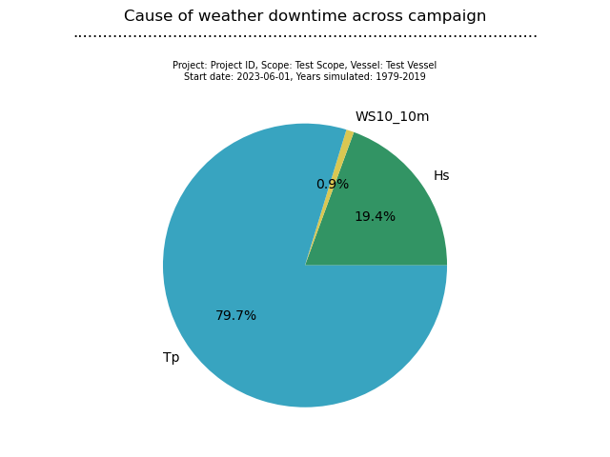
Activity | Hs | WS10_10m | Tp
Benthic Survey 1 | 0 | 0 | 0
Benthic Survey 2 | 0 | 0 | 0
Benthic Survey 3 | 0 | 0 | 0
Benthic Survey 4 | 0 | 0 | 0
Benthic Survey 5 | 0 | 0 | 0
Demob | 0 | 0 | 0
Demob (Benthic Interim) | 0 | 0 | 0
Demob (Geotech Interim) | 0 | 0 | 0
Demob Final (ROV) | 0 | 0 | 0
Geophys Survey 1 | 5.7317073171 | 0 | 0
Geophys Survey 2 | 0 | 0 | 0
Geophys Survey 3 | 0 | 0 | 0
Geophys Survey 4 | 0 | 0 | 0
Geophys Survey 5 | 0 | 0 | 0
Geotech Survey 1 | 0 | 0 | 0
Geotech Survey 2 | 0 | 0 | 0
Geotech Survey 3 | 0 | 0 | 0
Geotech Survey 4 | 2 | 0 | 0
Geotech Survey 5 | 0 | 0 | 0
Milestone: End Survey Block | 0 | 0 | 0
Milestone: Finish Survey | 0 | 0 | 0
Milestone: Start Survey | 0 | 0 | 0
Mobs and Cals | 0 | 0 | 0
Mobs and Cals (Benthic Interim) | 0 | 0 | 0
Mobs and Cals (Geotech Interim) | 0 | 0 | 0
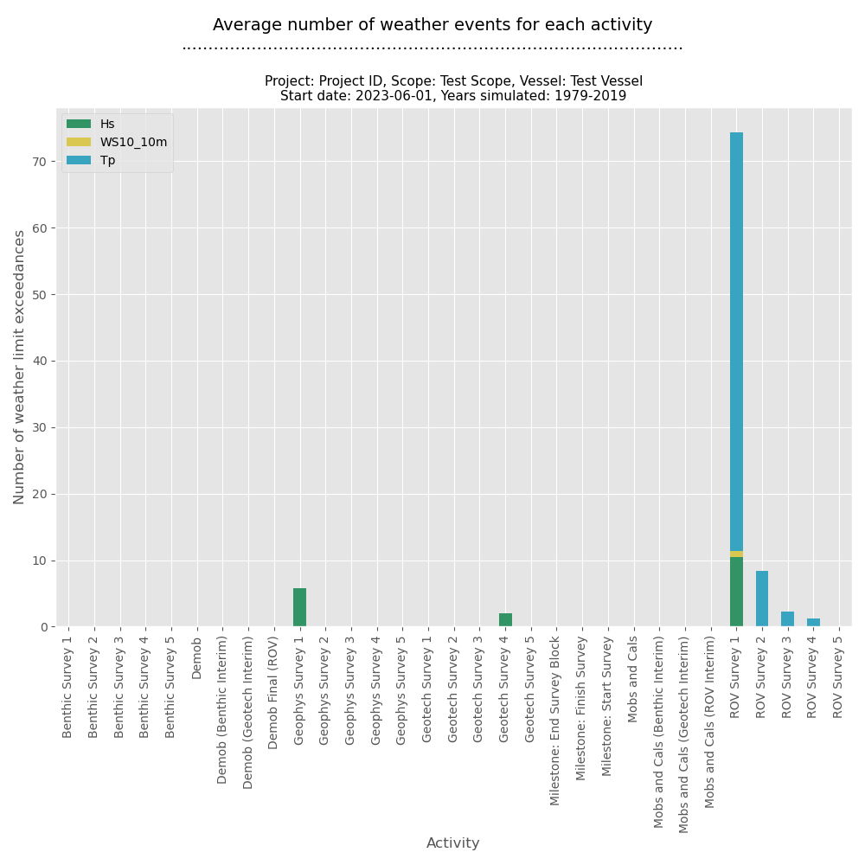
Mobs and Cals (ROV Interim) | 0 | 0 | 0
ROV Survey 1 | 10.487804878 | 0.82926829268 | 63.024390244
ROV Survey 2 | 0 | 0 | 8.3170731707
ROV Survey 3 | 0 | 0 | 2.2195121951
ROV Survey 4 | 0 | 0 | 1.2682926829
ROV Survey 5 | 0 | 0 | 0

Activity Completion Dates
Percentile start and end datetimes for each activity

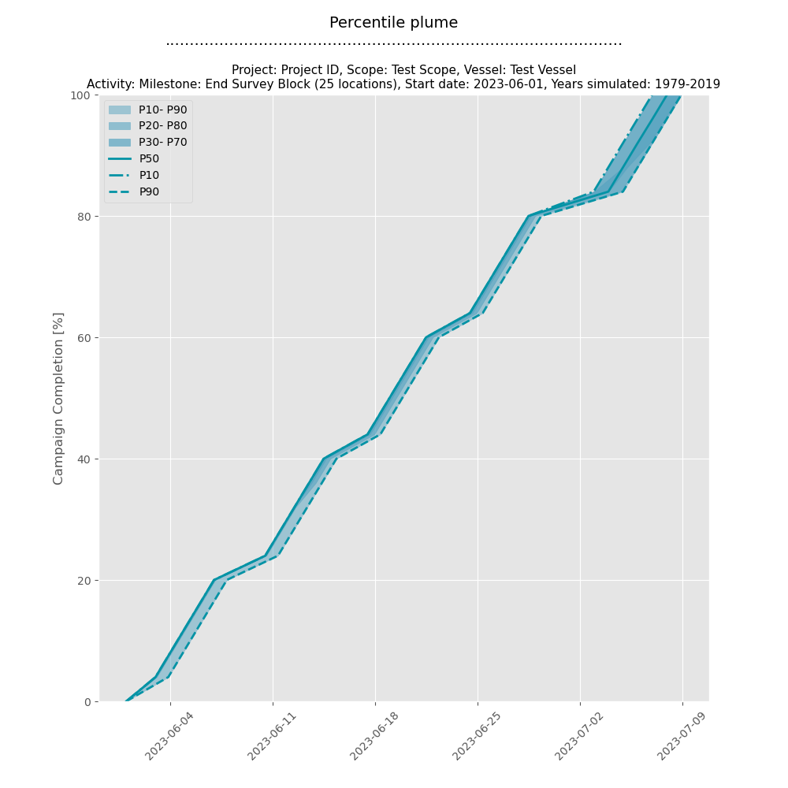
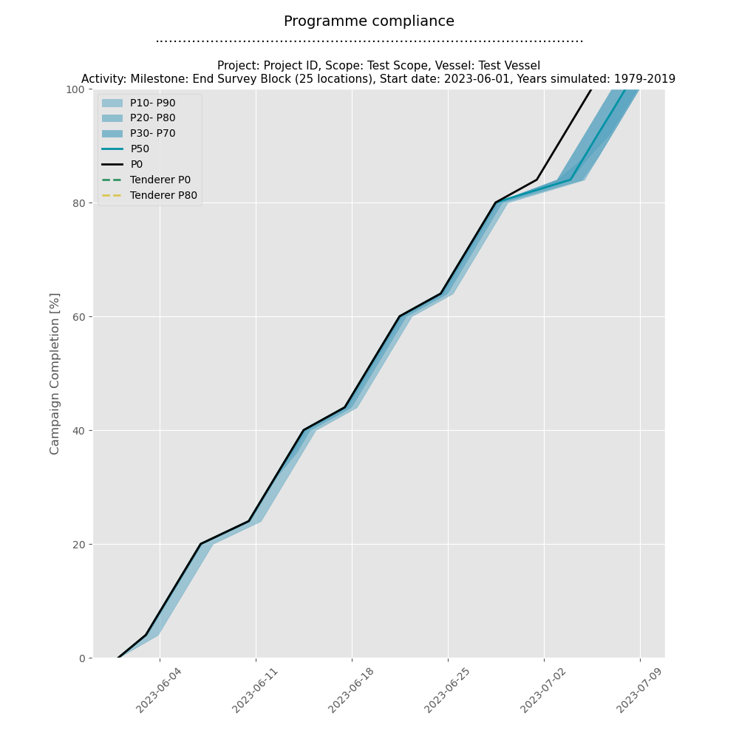

Location | AC | Start P0 | Start P10 | Start P20 | Start P30 | Start P40 | Start P50 | Start P60 | Start P70 | Start P80 | Start P90 | Start P100 | End P0 | End P10 | End P20 | End P30 | End P40 | End P50 | End P60 | End P70 | End P80 | End P90 | End P100
Undefined | Milestone: Start Survey | 2023-06-01 | 2023-06-01 | 2023-06-01 | 2023-06-01 | 2023-06-01 | 2023-06-01 | 2023-06-01 | 2023-06-01 | 2023-06-01 | 2023-06-01 | 2023-06-01 | 2023-06-01 | 2023-06-01 | 2023-06-01 | 2023-06-01 | 2023-06-01 | 2023-06-01 | 2023-06-01 | 2023-06-01 | 2023-06-01 | 2023-06-01 | 2023-06-01
Undefined | Mobs and Cals | 2023-06-01 | 2023-06-01 | 2023-06-01 | 2023-06-01 | 2023-06-01 | 2023-06-01 | 2023-06-01 | 2023-06-01 | 2023-06-01 | 2023-06-01 | 2023-06-01 | 2023-06-02 | 2023-06-02 | 2023-06-02 | 2023-06-02 | 2023-06-02 | 2023-06-02 | 2023-06-02 | 2023-06-02 | 2023-06-02 | 2023-06-02 | 2023-06-02
Undefined | Geophys Survey 1 | 2023-06-02 | 2023-06-02 | 2023-06-02 | 2023-06-02 | 2023-06-02 | 2023-06-02 | 2023-06-02 | 2023-06-02 | 2023-06-02 | 2023-06-02 | 2023-06-02 | 2023-06-03 | 2023-06-03 | 2023-06-03 | 2023-06-03 | 2023-06-03 | 2023-06-03 | 2023-06-03 | 2023-06-03 | 2023-06-03 | 2023-06-03 | 2023-06-04
Undefined | Milestone: End Survey Block | 2023-06-03 | 2023-06-03 | 2023-06-03 | 2023-06-03 | 2023-06-03 | 2023-06-03 | 2023-06-03 | 2023-06-03 | 2023-06-03 | 2023-06-03 | 2023-06-04 | 2023-06-03 | 2023-06-03 | 2023-06-03 | 2023-06-03 | 2023-06-03 | 2023-06-03 | 2023-06-03 | 2023-06-03 | 2023-06-03 | 2023-06-03 | 2023-06-04
Undefined | Geophys Survey 2 | 2023-06-03 | 2023-06-03 | 2023-06-03 | 2023-06-03 | 2023-06-03 | 2023-06-03 | 2023-06-03 | 2023-06-03 | 2023-06-03 | 2023-06-03 | 2023-06-04 | 2023-06-04 | 2023-06-04 | 2023-06-04 | 2023-06-04 | 2023-06-04 | 2023-06-04 | 2023-06-04 | 2023-06-04 | 2023-06-04 | 2023-06-04 | 2023-06-05
Undefined | Milestone: End Survey Block | 2023-06-04 | 2023-06-04 | 2023-06-04 | 2023-06-04 | 2023-06-04 | 2023-06-04 | 2023-06-04 | 2023-06-04 | 2023-06-04 | 2023-06-04 | 2023-06-05 | 2023-06-04 | 2023-06-04 | 2023-06-04 | 2023-06-04 | 2023-06-04 | 2023-06-04 | 2023-06-04 | 2023-06-04 | 2023-06-04 | 2023-06-04 | 2023-06-05
Undefined | Geophys Survey 3 | 2023-06-04 | 2023-06-04 | 2023-06-04 | 2023-06-04 | 2023-06-04 | 2023-06-04 | 2023-06-04 | 2023-06-04 | 2023-06-04 | 2023-06-04 | 2023-06-05 | 2023-06-05 | 2023-06-05 | 2023-06-05 | 2023-06-05 | 2023-06-05 | 2023-06-05 | 2023-06-05 | 2023-06-05 | 2023-06-05 | 2023-06-05 | 2023-06-06
Undefined | Milestone: End Survey Block | 2023-06-05 | 2023-06-05 | 2023-06-05 | 2023-06-05 | 2023-06-05 | 2023-06-05 | 2023-06-05 | 2023-06-05 | 2023-06-05 | 2023-06-05 | 2023-06-06 | 2023-06-05 | 2023-06-05 | 2023-06-05 | 2023-06-05 | 2023-06-05 | 2023-06-05 | 2023-06-05 | 2023-06-05 | 2023-06-05 | 2023-06-05 | 2023-06-06
Undefined | Geophys Survey 4 | 2023-06-05 | 2023-06-05 | 2023-06-05 | 2023-06-05 | 2023-06-05 | 2023-06-05 | 2023-06-05 | 2023-06-05 | 2023-06-05 | 2023-06-05 | 2023-06-06 | 2023-06-06 | 2023-06-06 | 2023-06-06 | 2023-06-06 | 2023-06-06 | 2023-06-06 | 2023-06-06 | 2023-06-06 | 2023-06-06 | 2023-06-06 | 2023-06-07
Undefined | Milestone: End Survey Block | 2023-06-06 | 2023-06-06 | 2023-06-06 | 2023-06-06 | 2023-06-06 | 2023-06-06 | 2023-06-06 | 2023-06-06 | 2023-06-06 | 2023-06-06 | 2023-06-07 | 2023-06-06 | 2023-06-06 | 2023-06-06 | 2023-06-06 | 2023-06-06 | 2023-06-06 | 2023-06-06 | 2023-06-06 | 2023-06-06 | 2023-06-06 | 2023-06-07
Undefined | Geophys Survey 5 | 2023-06-06 | 2023-06-06 | 2023-06-06 | 2023-06-06 | 2023-06-06 | 2023-06-06 | 2023-06-06 | 2023-06-06 | 2023-06-06 | 2023-06-06 | 2023-06-07 | 2023-06-07 | 2023-06-07 | 2023-06-07 | 2023-06-07 | 2023-06-07 | 2023-06-07 | 2023-06-07 | 2023-06-07 | 2023-06-07 | 2023-06-07 | 2023-06-08
Undefined | Milestone: End Survey Block | 2023-06-07 | 2023-06-07 | 2023-06-07 | 2023-06-07 | 2023-06-07 | 2023-06-07 | 2023-06-07 | 2023-06-07 | 2023-06-07 | 2023-06-07 | 2023-06-08 | 2023-06-07 | 2023-06-07 | 2023-06-07 | 2023-06-07 | 2023-06-07 | 2023-06-07 | 2023-06-07 | 2023-06-07 | 2023-06-07 | 2023-06-07 | 2023-06-08
Undefined | Demob | 2023-06-07 | 2023-06-07 | 2023-06-07 | 2023-06-07 | 2023-06-07 | 2023-06-07 | 2023-06-07 | 2023-06-07 | 2023-06-07 | 2023-06-07 | 2023-06-08 | 2023-06-08 | 2023-06-08 | 2023-06-08 | 2023-06-08 | 2023-06-08 | 2023-06-08 | 2023-06-08 | 2023-06-08 | 2023-06-08 | 2023-06-08 | 2023-06-09
Undefined | Mobs and Cals (Geotech Interim) | 2023-06-08 | 2023-06-08 | 2023-06-08 | 2023-06-08 | 2023-06-08 | 2023-06-08 | 2023-06-08 | 2023-06-08 | 2023-06-08 | 2023-06-08 | 2023-06-09 | 2023-06-09 | 2023-06-09 | 2023-06-09 | 2023-06-09 | 2023-06-09 | 2023-06-09 | 2023-06-09 | 2023-06-09 | 2023-06-09 | 2023-06-10 | 2023-06-11
Undefined | Geotech Survey 1 | 2023-06-09 | 2023-06-09 | 2023-06-09 | 2023-06-09 | 2023-06-09 | 2023-06-09 | 2023-06-09 | 2023-06-09 | 2023-06-09 | 2023-06-10 | 2023-06-11 | 2023-06-10 | 2023-06-10 | 2023-06-10 | 2023-06-10 | 2023-06-10 | 2023-06-10 | 2023-06-10 | 2023-06-10 | 2023-06-10 | 2023-06-11 | 2023-06-12
Undefined | Milestone: End Survey Block | 2023-06-10 | 2023-06-10 | 2023-06-10 | 2023-06-10 | 2023-06-10 | 2023-06-10 | 2023-06-10 | 2023-06-10 | 2023-06-10 | 2023-06-11 | 2023-06-12 | 2023-06-10 | 2023-06-10 | 2023-06-10 | 2023-06-10 | 2023-06-10 | 2023-06-10 | 2023-06-10 | 2023-06-10 | 2023-06-10 | 2023-06-11 | 2023-06-12
Undefined | Geotech Survey 2 | 2023-06-10 | 2023-06-10 | 2023-06-10 | 2023-06-10 | 2023-06-10 | 2023-06-10 | 2023-06-10 | 2023-06-10 | 2023-06-10 | 2023-06-11 | 2023-06-12 | 2023-06-11 | 2023-06-11 | 2023-06-11 | 2023-06-11 | 2023-06-11 | 2023-06-11 | 2023-06-11 | 2023-06-11 | 2023-06-11 | 2023-06-12 | 2023-06-13
Undefined | Milestone: End Survey Block | 2023-06-11 | 2023-06-11 | 2023-06-11 | 2023-06-11 | 2023-06-11 | 2023-06-11 | 2023-06-11 | 2023-06-11 | 2023-06-11 | 2023-06-12 | 2023-06-13 | 2023-06-11 | 2023-06-11 | 2023-06-11 | 2023-06-11 | 2023-06-11 | 2023-06-11 | 2023-06-11 | 2023-06-11 | 2023-06-11 | 2023-06-12 | 2023-06-13
Undefined | Geotech Survey 3 | 2023-06-11 | 2023-06-11 | 2023-06-11 | 2023-06-11 | 2023-06-11 | 2023-06-11 | 2023-06-11 | 2023-06-11 | 2023-06-11 | 2023-06-12 | 2023-06-13 | 2023-06-12 | 2023-06-12 | 2023-06-12 | 2023-06-12 | 2023-06-12 | 2023-06-12 | 2023-06-12 | 2023-06-12 | 2023-06-12 | 2023-06-13 | 2023-06-14
Undefined | Milestone: End Survey Block | 2023-06-12 | 2023-06-12 | 2023-06-12 | 2023-06-12 | 2023-06-12 | 2023-06-12 | 2023-06-12 | 2023-06-12 | 2023-06-12 | 2023-06-13 | 2023-06-14 | 2023-06-12 | 2023-06-12 | 2023-06-12 | 2023-06-12 | 2023-06-12 | 2023-06-12 | 2023-06-12 | 2023-06-12 | 2023-06-12 | 2023-06-13 | 2023-06-14
Undefined | Geotech Survey 4 | 2023-06-12 | 2023-06-12 | 2023-06-12 | 2023-06-12 | 2023-06-12 | 2023-06-12 | 2023-06-12 | 2023-06-12 | 2023-06-12 | 2023-06-13 | 2023-06-14 | 2023-06-13 | 2023-06-13 | 2023-06-13 | 2023-06-13 | 2023-06-13 | 2023-06-13 | 2023-06-13 | 2023-06-13 | 2023-06-13 | 2023-06-14 | 2023-06-15
Undefined | Milestone: End Survey Block | 2023-06-13 | 2023-06-13 | 2023-06-13 | 2023-06-13 | 2023-06-13 | 2023-06-13 | 2023-06-13 | 2023-06-13 | 2023-06-13 | 2023-06-14 | 2023-06-15 | 2023-06-13 | 2023-06-13 | 2023-06-13 | 2023-06-13 | 2023-06-13 | 2023-06-13 | 2023-06-13 | 2023-06-13 | 2023-06-13 | 2023-06-14 | 2023-06-15
Undefined | Geotech Survey 5 | 2023-06-13 | 2023-06-13 | 2023-06-13 | 2023-06-13 | 2023-06-13 | 2023-06-13 | 2023-06-13 | 2023-06-13 | 2023-06-13 | 2023-06-14 | 2023-06-15 | 2023-06-14 | 2023-06-14 | 2023-06-14 | 2023-06-14 | 2023-06-14 | 2023-06-14 | 2023-06-14 | 2023-06-14 | 2023-06-14 | 2023-06-15 | 2023-06-16
Undefined | Milestone: End Survey Block | 2023-06-14 | 2023-06-14 | 2023-06-14 | 2023-06-14 | 2023-06-14 | 2023-06-14 | 2023-06-14 | 2023-06-14 | 2023-06-14 | 2023-06-15 | 2023-06-16 | 2023-06-14 | 2023-06-14 | 2023-06-14 | 2023-06-14 | 2023-06-14 | 2023-06-14 | 2023-06-14 | 2023-06-14 | 2023-06-14 | 2023-06-15 | 2023-06-16
Undefined | Demob (Geotech Interim) | 2023-06-14 | 2023-06-14 | 2023-06-14 | 2023-06-14 | 2023-06-14 | 2023-06-14 | 2023-06-14 | 2023-06-14 | 2023-06-14 | 2023-06-15 | 2023-06-16 | 2023-06-15 | 2023-06-15 | 2023-06-15 | 2023-06-15 | 2023-06-15 | 2023-06-15 | 2023-06-15 | 2023-06-15 | 2023-06-15 | 2023-06-16 | 2023-06-17
Undefined | Mobs and Cals (Benthic Interim) | 2023-06-15 | 2023-06-15 | 2023-06-15 | 2023-06-15 | 2023-06-15 | 2023-06-15 | 2023-06-15 | 2023-06-15 | 2023-06-15 | 2023-06-16 | 2023-06-17 | 2023-06-16 | 2023-06-16 | 2023-06-16 | 2023-06-16 | 2023-06-16 | 2023-06-16 | 2023-06-16 | 2023-06-16 | 2023-06-16 | 2023-06-17 | 2023-06-18
Undefined | Benthic Survey 1 | 2023-06-16 | 2023-06-16 | 2023-06-16 | 2023-06-16 | 2023-06-16 | 2023-06-16 | 2023-06-16 | 2023-06-16 | 2023-06-16 | 2023-06-17 | 2023-06-18 | 2023-06-17 | 2023-06-17 | 2023-06-17 | 2023-06-17 | 2023-06-17 | 2023-06-17 | 2023-06-17 | 2023-06-17 | 2023-06-17 | 2023-06-18 | 2023-06-19
Undefined | Milestone: End Survey Block | 2023-06-17 | 2023-06-17 | 2023-06-17 | 2023-06-17 | 2023-06-17 | 2023-06-17 | 2023-06-17 | 2023-06-17 | 2023-06-17 | 2023-06-18 | 2023-06-19 | 2023-06-17 | 2023-06-17 | 2023-06-17 | 2023-06-17 | 2023-06-17 | 2023-06-17 | 2023-06-17 | 2023-06-17 | 2023-06-17 | 2023-06-18 | 2023-06-19
Undefined | Benthic Survey 2 | 2023-06-17 | 2023-06-17 | 2023-06-17 | 2023-06-17 | 2023-06-17 | 2023-06-17 | 2023-06-17 | 2023-06-17 | 2023-06-17 | 2023-06-18 | 2023-06-19 | 2023-06-18 | 2023-06-18 | 2023-06-18 | 2023-06-18 | 2023-06-18 | 2023-06-18 | 2023-06-18 | 2023-06-18 | 2023-06-18 | 2023-06-19 | 2023-06-20
Undefined | Milestone: End Survey Block | 2023-06-18 | 2023-06-18 | 2023-06-18 | 2023-06-18 | 2023-06-18 | 2023-06-18 | 2023-06-18 | 2023-06-18 | 2023-06-18 | 2023-06-19 | 2023-06-20 | 2023-06-18 | 2023-06-18 | 2023-06-18 | 2023-06-18 | 2023-06-18 | 2023-06-18 | 2023-06-18 | 2023-06-18 | 2023-06-18 | 2023-06-19 | 2023-06-20
Undefined | Benthic Survey 3 | 2023-06-18 | 2023-06-18 | 2023-06-18 | 2023-06-18 | 2023-06-18 | 2023-06-18 | 2023-06-18 | 2023-06-18 | 2023-06-18 | 2023-06-19 | 2023-06-20 | 2023-06-19 | 2023-06-19 | 2023-06-19 | 2023-06-19 | 2023-06-19 | 2023-06-19 | 2023-06-19 | 2023-06-19 | 2023-06-19 | 2023-06-20 | 2023-06-21
Undefined | Milestone: End Survey Block | 2023-06-19 | 2023-06-19 | 2023-06-19 | 2023-06-19 | 2023-06-19 | 2023-06-19 | 2023-06-19 | 2023-06-19 | 2023-06-19 | 2023-06-20 | 2023-06-21 | 2023-06-19 | 2023-06-19 | 2023-06-19 | 2023-06-19 | 2023-06-19 | 2023-06-19 | 2023-06-19 | 2023-06-19 | 2023-06-19 | 2023-06-20 | 2023-06-21
Undefined | Benthic Survey 4 | 2023-06-19 | 2023-06-19 | 2023-06-19 | 2023-06-19 | 2023-06-19 | 2023-06-19 | 2023-06-19 | 2023-06-19 | 2023-06-19 | 2023-06-20 | 2023-06-21 | 2023-06-20 | 2023-06-20 | 2023-06-20 | 2023-06-20 | 2023-06-20 | 2023-06-20 | 2023-06-20 | 2023-06-20 | 2023-06-20 | 2023-06-21 | 2023-06-22
Undefined | Milestone: End Survey Block | 2023-06-20 | 2023-06-20 | 2023-06-20 | 2023-06-20 | 2023-06-20 | 2023-06-20 | 2023-06-20 | 2023-06-20 | 2023-06-20 | 2023-06-21 | 2023-06-22 | 2023-06-20 | 2023-06-20 | 2023-06-20 | 2023-06-20 | 2023-06-20 | 2023-06-20 | 2023-06-20 | 2023-06-20 | 2023-06-20 | 2023-06-21 | 2023-06-22
Undefined | Benthic Survey 5 | 2023-06-20 | 2023-06-20 | 2023-06-20 | 2023-06-20 | 2023-06-20 | 2023-06-20 | 2023-06-20 | 2023-06-20 | 2023-06-20 | 2023-06-21 | 2023-06-22 | 2023-06-21 | 2023-06-21 | 2023-06-21 | 2023-06-21 | 2023-06-21 | 2023-06-21 | 2023-06-21 | 2023-06-21 | 2023-06-21 | 2023-06-22 | 2023-06-23
Undefined | Milestone: End Survey Block | 2023-06-21 | 2023-06-21 | 2023-06-21 | 2023-06-21 | 2023-06-21 | 2023-06-21 | 2023-06-21 | 2023-06-21 | 2023-06-21 | 2023-06-22 | 2023-06-23 | 2023-06-21 | 2023-06-21 | 2023-06-21 | 2023-06-21 | 2023-06-21 | 2023-06-21 | 2023-06-21 | 2023-06-21 | 2023-06-21 | 2023-06-22 | 2023-06-23
Undefined | Demob (Benthic Interim) | 2023-06-21 | 2023-06-21 | 2023-06-21 | 2023-06-21 | 2023-06-21 | 2023-06-21 | 2023-06-21 | 2023-06-21 | 2023-06-21 | 2023-06-22 | 2023-06-23 | 2023-06-22 | 2023-06-22 | 2023-06-22 | 2023-06-22 | 2023-06-22 | 2023-06-22 | 2023-06-22 | 2023-06-22 | 2023-06-22 | 2023-06-23 | 2023-06-24
Undefined | Milestone: Start Survey | 2023-06-22 | 2023-06-22 | 2023-06-22 | 2023-06-22 | 2023-06-22 | 2023-06-22 | 2023-06-22 | 2023-06-22 | 2023-06-22 | 2023-06-23 | 2023-06-24 | 2023-06-22 | 2023-06-22 | 2023-06-22 | 2023-06-22 | 2023-06-22 | 2023-06-22 | 2023-06-22 | 2023-06-22 | 2023-06-22 | 2023-06-23 | 2023-06-24
Undefined | Mobs and Cals | 2023-06-22 | 2023-06-22 | 2023-06-22 | 2023-06-22 | 2023-06-22 | 2023-06-22 | 2023-06-22 | 2023-06-22 | 2023-06-22 | 2023-06-23 | 2023-06-24 | 2023-06-23 | 2023-06-23 | 2023-06-23 | 2023-06-23 | 2023-06-23 | 2023-06-23 | 2023-06-23 | 2023-06-23 | 2023-06-23 | 2023-06-24 | 2023-06-25
Undefined | Geophys Survey 1 | 2023-06-23 | 2023-06-23 | 2023-06-23 | 2023-06-23 | 2023-06-23 | 2023-06-23 | 2023-06-23 | 2023-06-23 | 2023-06-23 | 2023-06-24 | 2023-06-25 | 2023-06-24 | 2023-06-24 | 2023-06-24 | 2023-06-24 | 2023-06-24 | 2023-06-24 | 2023-06-24 | 2023-06-24 | 2023-06-24 | 2023-06-25 | 2023-06-26
Undefined | Milestone: End Survey Block | 2023-06-24 | 2023-06-24 | 2023-06-24 | 2023-06-24 | 2023-06-24 | 2023-06-24 | 2023-06-24 | 2023-06-24 | 2023-06-24 | 2023-06-25 | 2023-06-26 | 2023-06-24 | 2023-06-24 | 2023-06-24 | 2023-06-24 | 2023-06-24 | 2023-06-24 | 2023-06-24 | 2023-06-24 | 2023-06-24 | 2023-06-25 | 2023-06-26
Undefined | Geophys Survey 2 | 2023-06-24 | 2023-06-24 | 2023-06-24 | 2023-06-24 | 2023-06-24 | 2023-06-24 | 2023-06-24 | 2023-06-24 | 2023-06-24 | 2023-06-25 | 2023-06-26 | 2023-06-25 | 2023-06-25 | 2023-06-25 | 2023-06-25 | 2023-06-25 | 2023-06-25 | 2023-06-25 | 2023-06-25 | 2023-06-25 | 2023-06-26 | 2023-06-27
Undefined | Milestone: End Survey Block | 2023-06-25 | 2023-06-25 | 2023-06-25 | 2023-06-25 | 2023-06-25 | 2023-06-25 | 2023-06-25 | 2023-06-25 | 2023-06-25 | 2023-06-26 | 2023-06-27 | 2023-06-25 | 2023-06-25 | 2023-06-25 | 2023-06-25 | 2023-06-25 | 2023-06-25 | 2023-06-25 | 2023-06-25 | 2023-06-25 | 2023-06-26 | 2023-06-27
Undefined | Geophys Survey 3 | 2023-06-25 | 2023-06-25 | 2023-06-25 | 2023-06-25 | 2023-06-25 | 2023-06-25 | 2023-06-25 | 2023-06-25 | 2023-06-25 | 2023-06-26 | 2023-06-27 | 2023-06-26 | 2023-06-26 | 2023-06-26 | 2023-06-26 | 2023-06-26 | 2023-06-26 | 2023-06-26 | 2023-06-26 | 2023-06-26 | 2023-06-27 | 2023-06-28
Undefined | Milestone: End Survey Block | 2023-06-26 | 2023-06-26 | 2023-06-26 | 2023-06-26 | 2023-06-26 | 2023-06-26 | 2023-06-26 | 2023-06-26 | 2023-06-26 | 2023-06-27 | 2023-06-28 | 2023-06-26 | 2023-06-26 | 2023-06-26 | 2023-06-26 | 2023-06-26 | 2023-06-26 | 2023-06-26 | 2023-06-26 | 2023-06-26 | 2023-06-27 | 2023-06-28
Undefined | Geophys Survey 4 | 2023-06-26 | 2023-06-26 | 2023-06-26 | 2023-06-26 | 2023-06-26 | 2023-06-26 | 2023-06-26 | 2023-06-26 | 2023-06-26 | 2023-06-27 | 2023-06-28 | 2023-06-27 | 2023-06-27 | 2023-06-27 | 2023-06-27 | 2023-06-27 | 2023-06-27 | 2023-06-27 | 2023-06-27 | 2023-06-27 | 2023-06-28 | 2023-06-29
Undefined | Milestone: End Survey Block | 2023-06-27 | 2023-06-27 | 2023-06-27 | 2023-06-27 | 2023-06-27 | 2023-06-27 | 2023-06-27 | 2023-06-27 | 2023-06-27 | 2023-06-28 | 2023-06-29 | 2023-06-27 | 2023-06-27 | 2023-06-27 | 2023-06-27 | 2023-06-27 | 2023-06-27 | 2023-06-27 | 2023-06-27 | 2023-06-27 | 2023-06-28 | 2023-06-29
Undefined | Geophys Survey 5 | 2023-06-27 | 2023-06-27 | 2023-06-27 | 2023-06-27 | 2023-06-27 | 2023-06-27 | 2023-06-27 | 2023-06-27 | 2023-06-27 | 2023-06-28 | 2023-06-29 | 2023-06-28 | 2023-06-28 | 2023-06-28 | 2023-06-28 | 2023-06-28 | 2023-06-28 | 2023-06-28 | 2023-06-28 | 2023-06-28 | 2023-06-29 | 2023-06-30
Undefined | Milestone: End Survey Block | 2023-06-28 | 2023-06-28 | 2023-06-28 | 2023-06-28 | 2023-06-28 | 2023-06-28 | 2023-06-28 | 2023-06-28 | 2023-06-28 | 2023-06-29 | 2023-06-30 | 2023-06-28 | 2023-06-28 | 2023-06-28 | 2023-06-28 | 2023-06-28 | 2023-06-28 | 2023-06-28 | 2023-06-28 | 2023-06-28 | 2023-06-29 | 2023-06-30
Undefined | Demob | 2023-06-28 | 2023-06-28 | 2023-06-28 | 2023-06-28 | 2023-06-28 | 2023-06-28 | 2023-06-28 | 2023-06-28 | 2023-06-28 | 2023-06-29 | 2023-06-30 | 2023-06-29 | 2023-06-29 | 2023-06-29 | 2023-06-29 | 2023-06-29 | 2023-06-29 | 2023-06-29 | 2023-06-29 | 2023-06-29 | 2023-06-30 | 2023-07-01
Undefined | Mobs and Cals (ROV Interim) | 2023-06-29 | 2023-06-29 | 2023-06-29 | 2023-06-29 | 2023-06-29 | 2023-06-29 | 2023-06-29 | 2023-06-29 | 2023-06-29 | 2023-06-30 | 2023-07-01 | 2023-06-30 | 2023-06-30 | 2023-06-30 | 2023-06-30 | 2023-06-30 | 2023-06-30 | 2023-06-30 | 2023-06-30 | 2023-06-30 | 2023-07-01 | 2023-07-02
Undefined | ROV Survey 1 | 2023-06-30 | 2023-06-30 | 2023-06-30 | 2023-06-30 | 2023-06-30 | 2023-06-30 | 2023-06-30 | 2023-06-30 | 2023-06-30 | 2023-07-01 | 2023-07-02 | 2023-07-01 | 2023-07-01 | 2023-07-02 | 2023-07-02 | 2023-07-02 | 2023-07-03 | 2023-07-03 | 2023-07-03 | 2023-07-04 | 2023-07-04 | 2023-07-05
Undefined | Milestone: End Survey Block | 2023-07-01 | 2023-07-01 | 2023-07-02 | 2023-07-02 | 2023-07-02 | 2023-07-03 | 2023-07-03 | 2023-07-03 | 2023-07-04 | 2023-07-04 | 2023-07-05 | 2023-07-01 | 2023-07-01 | 2023-07-02 | 2023-07-02 | 2023-07-02 | 2023-07-03 | 2023-07-03 | 2023-07-03 | 2023-07-04 | 2023-07-04 | 2023-07-05
Undefined | ROV Survey 2 | 2023-07-01 | 2023-07-01 | 2023-07-02 | 2023-07-02 | 2023-07-02 | 2023-07-03 | 2023-07-03 | 2023-07-03 | 2023-07-04 | 2023-07-04 | 2023-07-05 | 2023-07-02 | 2023-07-02 | 2023-07-03 | 2023-07-03 | 2023-07-04 | 2023-07-04 | 2023-07-04 | 2023-07-05 | 2023-07-05 | 2023-07-05 | 2023-07-06
Undefined | Milestone: End Survey Block | 2023-07-02 | 2023-07-02 | 2023-07-03 | 2023-07-03 | 2023-07-04 | 2023-07-04 | 2023-07-04 | 2023-07-05 | 2023-07-05 | 2023-07-05 | 2023-07-06 | 2023-07-02 | 2023-07-02 | 2023-07-03 | 2023-07-03 | 2023-07-04 | 2023-07-04 | 2023-07-04 | 2023-07-05 | 2023-07-05 | 2023-07-05 | 2023-07-06
Undefined | ROV Survey 3 | 2023-07-02 | 2023-07-02 | 2023-07-03 | 2023-07-03 | 2023-07-04 | 2023-07-04 | 2023-07-04 | 2023-07-05 | 2023-07-05 | 2023-07-05 | 2023-07-06 | 2023-07-03 | 2023-07-04 | 2023-07-04 | 2023-07-05 | 2023-07-05 | 2023-07-05 | 2023-07-05 | 2023-07-06 | 2023-07-06 | 2023-07-06 | 2023-07-07
Undefined | Milestone: End Survey Block | 2023-07-03 | 2023-07-04 | 2023-07-04 | 2023-07-05 | 2023-07-05 | 2023-07-05 | 2023-07-05 | 2023-07-06 | 2023-07-06 | 2023-07-06 | 2023-07-07 | 2023-07-03 | 2023-07-04 | 2023-07-04 | 2023-07-05 | 2023-07-05 | 2023-07-05 | 2023-07-05 | 2023-07-06 | 2023-07-06 | 2023-07-06 | 2023-07-07
Undefined | ROV Survey 4 | 2023-07-03 | 2023-07-04 | 2023-07-04 | 2023-07-05 | 2023-07-05 | 2023-07-05 | 2023-07-05 | 2023-07-06 | 2023-07-06 | 2023-07-06 | 2023-07-07 | 2023-07-04 | 2023-07-05 | 2023-07-05 | 2023-07-06 | 2023-07-06 | 2023-07-06 | 2023-07-06 | 2023-07-07 | 2023-07-07 | 2023-07-07 | 2023-07-08
Undefined | Milestone: End Survey Block | 2023-07-04 | 2023-07-05 | 2023-07-05 | 2023-07-06 | 2023-07-06 | 2023-07-06 | 2023-07-06 | 2023-07-07 | 2023-07-07 | 2023-07-07 | 2023-07-08 | 2023-07-04 | 2023-07-05 | 2023-07-05 | 2023-07-06 | 2023-07-06 | 2023-07-06 | 2023-07-06 | 2023-07-07 | 2023-07-07 | 2023-07-07 | 2023-07-08
Undefined | ROV Survey 5 | 2023-07-04 | 2023-07-05 | 2023-07-05 | 2023-07-06 | 2023-07-06 | 2023-07-06 | 2023-07-06 | 2023-07-07 | 2023-07-07 | 2023-07-07 | 2023-07-08 | 2023-07-05 | 2023-07-06 | 2023-07-06 | 2023-07-07 | 2023-07-07 | 2023-07-07 | 2023-07-07 | 2023-07-08 | 2023-07-08 | 2023-07-08 | 2023-07-09
Undefined | Milestone: End Survey Block | 2023-07-05 | 2023-07-06 | 2023-07-06 | 2023-07-07 | 2023-07-07 | 2023-07-07 | 2023-07-07 | 2023-07-08 | 2023-07-08 | 2023-07-08 | 2023-07-09 | 2023-07-05 | 2023-07-06 | 2023-07-06 | 2023-07-07 | 2023-07-07 | 2023-07-07 | 2023-07-07 | 2023-07-08 | 2023-07-08 | 2023-07-08 | 2023-07-09
Undefined | Demob Final (ROV) | 2023-07-05 | 2023-07-06 | 2023-07-06 | 2023-07-07 | 2023-07-07 | 2023-07-07 | 2023-07-07 | 2023-07-08 | 2023-07-08 | 2023-07-08 | 2023-07-09 | 2023-07-06 | 2023-07-07 | 2023-07-07 | 2023-07-08 | 2023-07-08 | 2023-07-08 | 2023-07-08 | 2023-07-09 | 2023-07-09 | 2023-07-09 | 2023-07-10
Undefined | Milestone: Finish Survey | 2023-07-06 | 2023-07-07 | 2023-07-07 | 2023-07-08 | 2023-07-08 | 2023-07-08 | 2023-07-08 | 2023-07-09 | 2023-07-09 | 2023-07-09 | 2023-07-10 | 2023-07-06 | 2023-07-07 | 2023-07-07 | 2023-07-08 | 2023-07-08 | 2023-07-08 | 2023-07-08 | 2023-07-09 | 2023-07-09 | 2023-07-09 | 2023-07-10

